KKO
KAJIAN KELAYAKAN OPERASI

DAYA LAMA |  |  |  | DAYA BARU
Nama Pelanggan | : | PD KHOLIL ASNAFUR 900-23000 VA |  | Nama Pelanggan | : | PD KHOLIL ASNAFUR 900-23000 VA
Daya Lama (VA) | : | 900 |  | Daya Baru (VA) | : | 23000
Jumlah Fasa | : | 1 | * | Jumlah Fasa | : | 3
Tegangan Sekunder Pengukuran rata-rata (Fasa-Netral) (V) | : | 220 | * | Tegangan Sekunder Pengukuran rata-rata (Fasa-Netral) (V) | : | 380
Beban Pelanggan (A) | : | 4.10 |  | Beban Pelanggan (A) | : | 34.94

SUPLAI TRAFO EKSISTING |  |  |  | SUPLAI TRAFO RENCANA
Nomor Tiang | : | MGN03-331/13/130 (MGN06) (B) |  | Nomor Tiang | : | MGN03-331/13/130 (MGN06) (B)
Penyulang | : | MGN 03 |  | Penyulang | : | MGN 03
Daya | : | 50 | * | Daya | : | 100
Jumlah Fasa | : | 3 | * | Jumlah Fasa | : | 3
Beban TRAFO (Pengukuran Lapangan) |  | 50 |  | Beban TRAFO | : | 100.00
Beban Primer | : | 1.44 | * | Beban Primer | : | 2.89
Beban Sekunder | : | 75.97 | * | Beban Sekunder | : | 151.93
Beban (A) | : | #VALUE! |  | Beban (A) | : | #VALUE!
Prosentase Pembebanan | : | 66% |  | Beban (A) | : | 66%
 | 66% | 100%
Prosentase Pembebanan | : | 100% |  | Beban (A) | : | 100%

DATA





DATA
Tahun | : | 2022
Discount Rate | : | 12%
Transfer price TM | : | 1,084 |  | Marginal COST maret 2022
Umur ekonomis (tahun) | : | 25.00
Selisih Susut Teknis | : | 2.25%
∑ Daya | : | 22
BP (Rp) | : | 20,707,700
RAB (Rp) | : | 31,760,565
Biaya O&M (2% invest) | : | 635,211.30

Nama Pelanggan | : | PD KHOLIL ASNAFUR 900-23000 VA | *
Golongan Pelanggan | : | B2 | *
Jenis Layanan | : | REGULER | *
Daya Lama (kVA) | : | 1 | *
Daya Baru (kVA) | : | 23 | *
Tarif WBP (Rp/kWh) | : | 1,444.70 | *
Tarif LWBP (Rp/kWh) | : | 1,444.70 | *
BP (Rp/VA) TR | : | 937 | *
Jam Nyala | : | 40 | *

RAB
 |  | PT. PLN ( PERSERO )
 |  | UNIT INDUK DISTRIBUSI JAWA TENGAH & DI YOGYAKARTA |  |  |  |  |  |  |  |  |  | RAB TOTAL
 |  | UP3 DEMAK |  |  |  |  |  |  |  |  | RAB TOTAL | RAB NON MDU
 | RENCANA ANGGARAN BIAYA (RAB)

 |  |  |  | Pekerjaan | : | PD KHOLIL ASNAFUR 900-23000 VA
 |  |  |  | Lokasi | : | DESA JEKETRO RT02 RW01 GUBUG
 |  |  |  | Pelaksana | : | PT. PLN (PERSERO) UP3 DEMAK
 |  |  |  | Anggaran | : | SAR 2023

Note !! 1. Saat Pengisian Uraian di mohon memasukan nama material sesuai dengan nama material di harga satuan
2. Mohon di cek kembali saat pengisian volume material
3. Untuk program Sarana Penunjang Fungsi tidak perlu SLO.
 | NO | URAIAN | GOL | SAT | VOL | HARGA SATUAN | BIAYA YANG DIPERLUKAN ( Rp )
 |  |  |  |  |  |  | MDU | HARDWARE | JASA | JUMLAH

#REF! | A | PEMASANGAN TIANG |  |  |  | 0 | 0 | 0 | 0 | 0
#REF! |  |  |  |  |  | 0 | 0 | 0 | 0 | 0
#REF! |  |  |  |  |  | 0 | 0 | 0 | 0 | 0
#REF! | B | PEKERJAAN PEMASANGAN KONSTRUKSI |  |  |  | 0 | 0 | 0 | 0 | 0
 |  |  |  |  |  | 0 | 0 | 0 | 0 | 0
#REF! | + | CM2-12 |  | Unit | 5 | 0 | 0 | 0 | 0 | 0
#REF! | 1 | Bimetalic Connector 35 - 240 mm² | HDW | Bh | 5 | 47,459 | 0 | 237,295 | 0 | 237,295
#REF! | 2 | Ground wire Cu 16 mm² | HDW | Mtr | 4 | 30,000 | 0 | 120,000 | 0 | 120,000
 | 3 | Ground rod & Washer | HDW | Bh | 5 | 9,500 | 0 | 47,500 | 0 | 47,500
 | 4 | Upah Pasang Acc.Jar M2-12 | JASA | Unit | 5 | 16,200 | 0 | 0 | 81,000 | 81,000
#REF! |  |  |  |  |  | 0 | 0 | 0 | 0 | 0
#REF! | + | SJ5 |  | Unit | 3 | 0 | 0 | 0 | 0 | 0
#REF! | 1 | Pole Band Double Up Side 7" atau 7 ½" | HDW | Bh | 3 | 61,800 | 0 | 185,400 | 0 | 185,400
#REF! | 2 | Spool Insulator ANSI 53 - 2 | HDW | Bh | 3 | 28,000 | 0 | 84,000 | 0 | 84,000
 | 3 | Tie Wire # 4 / Alluminium bonding wire # 20 | HDW | Mtr | 2.4 | 8,550 | 0 | 20,520 | 0 | 20,520
 | 4 | Upah Pasang Konst. JTR J5 | JASA | Unit | 3 | 33,200 | 0 | 0 | 99,600 | 99,600
#REF! |  |  |  |  |  | 0 | 0 | 0 | 0 | 0
#REF! | + | SJ6 |  | Unit | 4 | 0 | 0 | 0 | 0 | 0
#REF! | 1 | Armour Tape ¼" wide | HDW | Mtr | 4 | 7,789 | 0 | 31,156 | 0 | 31,156
#REF! | 2 | Clevis Swinging Secondary | HDW | Bh | 4 | 15,500 | 0 | 62,000 | 0 | 62,000
 | 3 | Loop Dead End Clamp / LC ( 35 s/d 240 ) mm² | HDW | Bh | 8 | 29,600 | 0 | 236,800 | 0 | 236,800
#REF! | 4 | Oval Eye Nut ⅝" | HDW | Bh | 4 | 23,936 | 0 | 95,744 | 0 | 95,744
#REF! | 5 | Pole Band Single Rack 7" atau 7 ½" | HDW | Bh | 4 | 57,690 | 0 | 230,760 | 0 | 230,760
#REF! | 6 | Spool Insulator ANSI 53 - 4 | HDW | Bh | 4 | 33,502 | 0 | 134,007 | 0 | 134,007
 | 7 | Upah Pasang Konst. JTR J6 | JASA | Unit | 4 | 35,700 | 0 | 0 | 142,800 | 142,800
 |  |  |  |  |  | 0 | 0 | 0 | 0 | 0
#REF! | + | CE1-2 |  | Unit | 2 | 0 | 0 | 0 | 0 | 0
#REF! | 1 | Bolt Machine ⅝" x 10" | HDW | Bh | 2 | 26,500 | 0 | 53,000 | 0 | 53,000
#REF! | 2 | Guy Attachment / Guy hok | HDW | Bh | 2 | 12,500 | 0 | 25,000 | 0 | 25,000
#REF! | 3 | Guy Wire 35 mm² | HDW | Mtr | 24 | 24,300 | 0 | 583,200 | 0 | 583,200
 | 4 | Three Bolt Clamp | HDW | Bh | 4 | 40,000 | 0 | 160,000 | 0 | 160,000
 | 5 | Washer Square 2 ¼" | HDW | Bh | 2 | 2,500 | 0 | 5,000 | 0 | 5,000
#REF! | 6 | Upah Pasang Acc.Jar E1-2 | JASA | Unit | 2 | 43,500 | 0 | 0 | 87,000 | 87,000
 |  |  |  |  |  | 0 | 0 | 0 | 0 | 0
 | + | F1-2 |  | Unit | 2 | 0 | 0 | 0 | 0 | 0
#REF! | 1 | Rod Anchor ⅝" x 7' | HDW | Bh | 2 | 104,200 | 0 | 208,400 | 0 | 208,400
 | 2 | Expanding Anchor 8.000 lbs | HDW | Bh | 2 | 120,000 | 0 | 240,000 | 0 | 240,000
 | 4 | Kousen | HDW | Bh | 2 | 4,500 | 0 | 9,000 | 0 | 9,000
 | 3 | Upah Pasang Acc.Jar F1-2 | JASA | Unit | 2 | 55,500 | 0 | 0 | 111,000 | 111,000
#REF! |  |  |  |  |  | 0 | 0 | 0 | 0 | 0
 | + | CM2-12A |  | Unit | 2 | 0 | 0 | 0 | 0 | 0
 | 1 | Bimetalic Connector 35 - 240 mm² | HDW | Bh | 2 | 47,459 | 0 | 94,918 | 0 | 94,918
#REF! | 2 | Ground wire Cu 16 mm² | HDW | Mtr | 2 | 30,000 | 0 | 60,000 | 0 | 60,000
 | 3 | Ground rod & Washer | HDW | Bh | 2 | 9,500 | 0 | 19,000 | 0 | 19,000
 | 4 | Upah Pasang Acc.Jar M2-12A | JASA | Unit | 2 | 21,200 | 0 | 0 | 42,400 | 42,400
#REF! |  |  |  |  |  | 0 | 0 | 0 | 0 | 0
 | + | NFA2X-T 3x70+1x70 | MDU-KD | Unit | 300 | 54,500 | 16,350,000 | 0 | 0 | 16,350,000
 | + | Upah Pasang Penghantar TR LVTC 3x70 + 1x50mm² | JASA | Unit | 6 | 223,500 | 0 | 0 | 1,341,000 | 1,341,000
#REF! |  |  |  |  |  | 0 | 0 | 0 | 0 | 0
 |  |  |  |  |  | 0 | 0 | 0 | 0 | 0
v | D | PEKERJAAN PEMASANGAN APP |  |  |  | 0 | 0 | 0 | 0 | 0
#REF! | + | Daya 23.000 VA |  | Unit | 1 | 0 | 0 | 0 | 0 | 0
v | 1 | KWH Elektronik; 3P; 4W; 220/380V; 5(80) A; kls 1 (Pengukuran Langsung) | MDU-KD | Bh | 1 | 1,427,400 | 1,427,400 | 0 | 0 | 1,427,400
#REF! | 2 | Smart Box Langsung Daya 23 kVA MCCB 35 A | MDU-KD | Unit | 1 | 3,564,900 | 3,564,900 | 0 | 0 | 3,564,900
 | 3 | Modem 3G/4G | HDW | Unit | 1 | 1,113,900 | 0 | 1,113,900 | 0 | 1,113,900
#REF! | 4 | NFA2X 4 x 16 mm² | MDU-KD | Mtr | 35 | 13,500 | 472,500 | 0 | 0 | 472,500
#REF! | 5 | Upah Pasang SR + APP 3 Fasa | JASA | Unit | 1 | 106,400 | 0 | 0 | 106,400 | 106,400
v |  |  |  |  |  | 0 | 0 | 0 | 0 | 0
#REF! | E | PEMBONGKARAN |  |  |  | 0 | 0 | 0 | 0 | 0
#REF! |  |  |  |  |  | 0 | 0 | 0 | 0 | 0
#REF! | + | Upah Bongkar SR + APP 1 fasa | JASA | Unit | 1 | 32,640 | 0 | 0 | 32,640 | 32,640
 |  |  |  |  |  | 0 | 0 | 0 | 0 | 0
 |  | SLO |  |  |  | 0 | 0 | 0 | 0 | 0
 | 1 | Sertifikasi Laik Operasi | JASA | Lot | 1 | 2.5% |  |  | 697,881 | 697,881
 |  |  |  |  |  |  | 0 | 0 | 0 | 0

 |  | Jumlah MDU - Hardware - Jasa |  |  |  | : | 21,814,800 | 4,056,600 | 2,741,721 | 28,613,121
 |  | PPN 11% |  |  |  | : | 2,399,628 | 446,226 | 301,589 | 3,147,443
 |  | Jumlah Total |  |  |  | : | 24,214,428 | 4,502,827 | 3,043,310 | 31,760,565
 | Terbilang : Tiga Puluh Satu Juta Tujuh Ratus Enam Puluh Ribu Lima Ratus Enam Puluh Lima Rupiah

 | Harga yang dipakai adalah RAB HSS 2023

 |  |  |  |  |  |  |  | Tegowanu, Februari 2024
 |  |  |  |  |  |  |  | MANAGER ULP TEGOWANU

 |  |  |  |  |  |  |  | HARY PRATAMA

GAMBAR
MGN03-331/13/130
1 C14-350 E
1 CC1-A
1 CG 312-A 50 KVA
2 CM2-11M
1 CJ6-T
1 CM2-12
1 SJ6
1 CM2-12
1 CM2-12A
1 CE1-2
1 F1-2
250 LVTC 3X70+NX50mm2
 |  |  |  |  | PT. PLN (PERSERO) UP3 DEMAK
Hasil Ukur Trafo 3 Ph 50 KVA ( X ) di -
 | X0 | X1 | X2 | X3 | Keterangan Gambar :
SIANG | 11 | 67 | 48 | 107 | No | Nama Material |  |  | Baru |  | Eksisting
s
s
MALAM | 16 | 78 | 62 | 93 | 1 | Tiang Beton
 |  |  |  |  | 2 | Tiang Besi
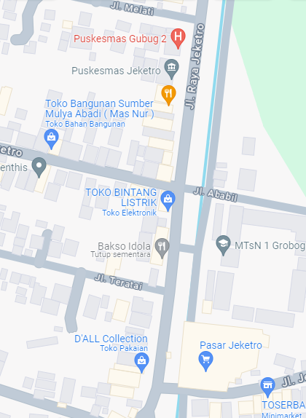
 |  |  |  |  | 3 | JTM 3 Fasa
 |  |  |  |  | 4 | JTM 1 Fasa
 |  |  |  |  | 5 | JTR 1 Fasa Only / UB
 |  |  |  |  | 6 | JTR 3 Fasa Only / UB
 |  |  |  |  | 7 | Trafo 1 Fasa
 |  |  |  |  | 8 | Trafo 3 Fasa
 |  |  |  |  | 9 | Fuse Cut Out
 |  |  |  |  | 10 | ABSW
 |  |  |  |  | 11 | Vang Net
 |  |  |  |  | 12 | Schoor
 |  |  |  |  | 13
MGN06-202A
1 C12-200E
3 SJ6
1 CM2-12
1 SR APP 3PH 53KVA
1 PENGHALANG PANJAT
1 PAPAN PERINGATAN
MGN03-331/13/131
1 C14-350 E
1 SJ5
1 CM2-12
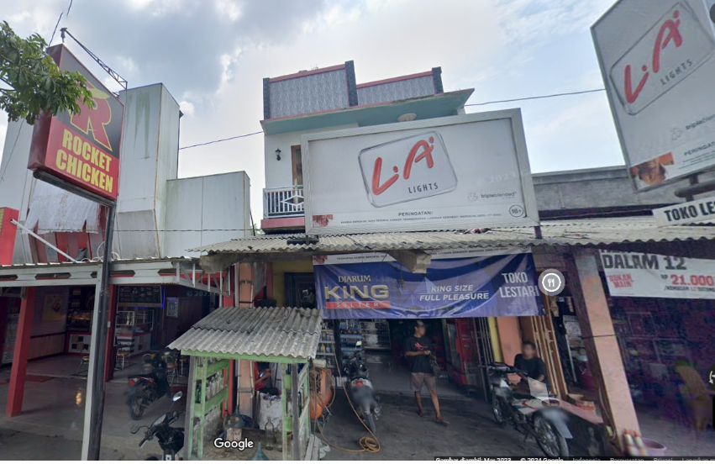
 |  |  |  |  | Bongkar Pasang Konstruksi :
 |  |  |  |  | Pasang |  |  |  | Bongkar
 |  |  |  |  | C12-200E |  | BTG | 0 | CG 312A-50KVA |  | U | 0
 |  |  |  |  | CC7 |  | U | 0
A
 |  |  |  |  | CG313-A 100KVA |  | U | 0
 |  |  |  |  | CM2-11 |  | U | 0
37 m
37 m
 |  |  |  |  | CM2-11M |  | U | 0
 |  |  |  |  | CM2-12 |  | U | 5
 |  |  |  |  | SR APP 3P 23KVA |  | U | 1
 |  |  |  |  | LVTC 3X70+NX50mm2 |  | M | 300
MGN03-331/13/132
1 C14-350 E
1 SJ5
1 CM2-12
 |  |  |  |  | PENGHALANG PANJAT |  | U | 0
APP
 |  |  |  |  | PAPAN PERINGATAN |  | U | 0
APP
APP
 |  |  |  |  | SJ6 |  | U | 4
 |  |  |  |  | SJ5 |  | U | 3
 |  |  |  |  | CE1-2 |  | U | 2
s
s
JL SEMARANG - PURWODADI
 |  |  |  |  | F1-2 |  | U | 2
MGN03-331/13/133
1 C14-350 E
1 SJ5
1 CM2-12
 |  |  |  |  | CM2-12A |  | U | 2
s
s

 |  |  |  |  | Keterangan Tambahan : -7.098414,110.704495
MGN06-203
1 SJ5
1 CM2-12
MGN03-331/13/134
1 C14-350 E
3 SJ6
1 CM2-12
1 CM2-12A
1 CE1-2
1 F1-2
1 SR APP 3PH 23KVA
MGN06-202
2 SJ6
1 CM2-12
1 CM2-12A
1 CE1-2
1 F1-2
 |  |  |  |  | Golongan
 |  |  |  |  | No. Gambar |  | 1 |  |  | Lembar |  | dr
 |  |  |  |  | Gambar dari |  |  |  |  | Skala
 |  |  |  |  | Perihal:
 |  |  |  |  | PD KHOLIL ASNAFUR 900-23000 VA
 |  |  |  |  | DESA JEKETRO RT02 RW01 GUBUG

 |  |  |  |  | Digambar |  | Staf Teknik
 |  |  |  |  | Diperiksa |  | TL. Teknik |  |  |  |  |  | MGN03-331/13/130 (MGN06) (B)
 |  |  |  |  | Diketahui |  | Manager ULP
 |  |  |  |  | Disetujui |  | Man. Perencanaan

PETA
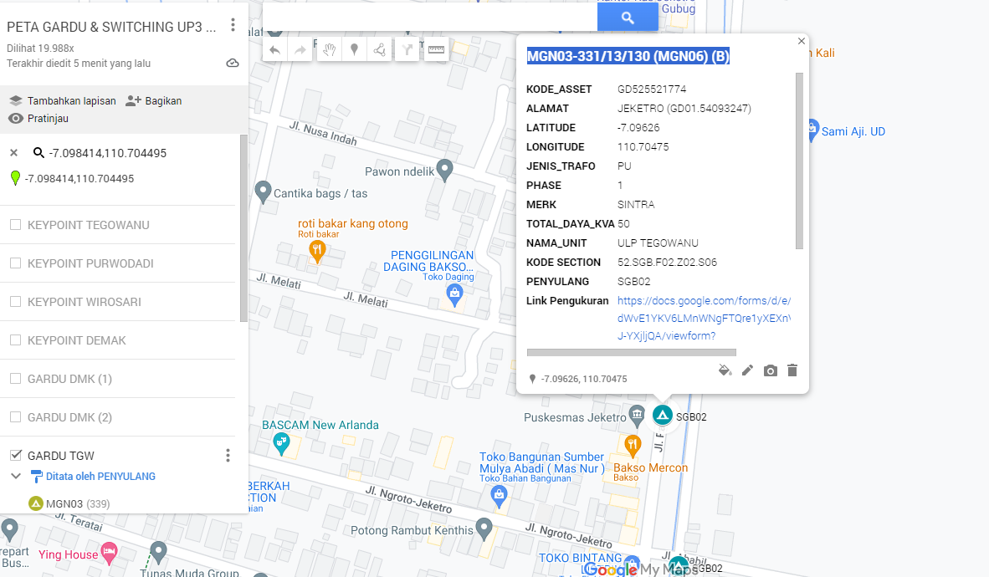
PETA LOKASI PELANGGAN

KOORDINAT LOKASI : -7.098414,110.704495

SLD
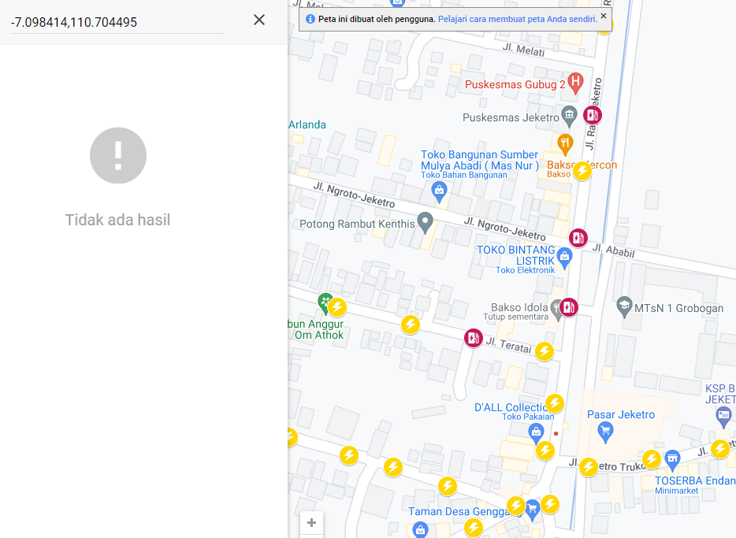
SINGLE LINE DIAGRAM LOKASI PELANGGAN

